Summary
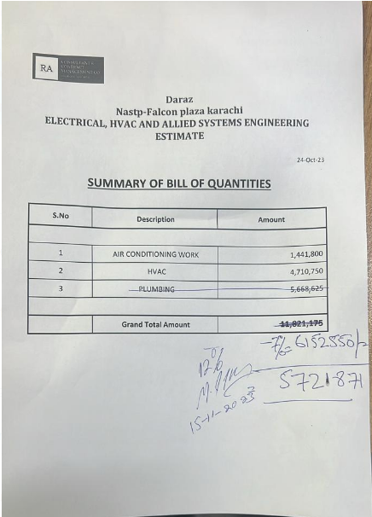
Daraz Nastp-Falcon plaza karachi ELECTRICAL, HVAC AND ALLIED SYSTEMS ENGINEERING ESTIMATE

 |  | 24-Oct-23

SUMMARY OF BILL OF QUANTITIES

S.No | Description | Amount

1 | AIR CONDITIONING WORK | 1,441,800
2 | HVAC | 4,710,750
3 | PLUMBING | 5,668,625

 | Grand Total Amount | 11,821,175

